FLI_clockStructure
CGM
ATOM
cggtop
gck0a_0/gck
asyncsel/gck0/gck
iso0_memtop/*/divclk_reg
CLKQ_L
asyncsel/or0/or2_0
clk_c
mtgn0_inst/t1_1_ckgt_gtx_ck_tx_SO
iso0_memtop/*/clkor/or2_0

iso0_memtop/*/cksel/mux2_0
gck3_4/gck
asyncsel/gck1/gck
iso0_memtop/*/gck0/gck
clk_l
mtgn0_inst/t6_0_ckgt_gtx_ck_tx_SO

gck0a_6/gck

gck0a_5/gck

gck0a_3/gck

RAM_clockStructure
CGM
ATOM
cggtop
pfsstop/C?RAMM/C?RMMEM_W?
gck0a_0/gck
C[012]RAM
CLK

clk_c
mtgn0_inst/t1_1_ckgt_gtx_ck_tx_SO
systop/sysglue_isovdd/clk_cpu_buff/buf_0
div_clk_reg/Q_reg
clk_mux/mux2_0
SRAM/L2CRAM_128KB_nomux/*/cgc_cmem/i0
gck1a_0/gck

clk_sbus
mtgn0_inst/t2_0_ckgt_gtx_ck_tx_SO
clk_sel_mux/mux2_0

systop/sysglue_isovdd/clk_sbus_buff/buf_0
eco_DF1_v002_c?wx_mux/mux2_0
gckj_0/gck

cgm_clka_ram_mbist
stgn4_inst/t0_ckgt_gtx_ck_tx_SO

gckj_2/gck
C3RAM
CLK
stgn4_inst/t1_ckgt_gtx_ck_tx_SO
SRAM/L2CRAM_RS_64KB_LL_nomux/ic_1_0/i0/awo_SRAM/INSERT_PD__snps_PD_SM_AWOVDD__i0_PD_SM_ISOVDD_PD_SM_AWOVDD_through_mask_snps_clk__UPF_ISO_DLS
div_clk_reg/Q_reg

AWO

SRAM/L2CRAM_128KB_nomux/*/cgc_cmem/i0

clk_mux/mux2_0
PIN clock hierachical need to insert buffer for C3RAM:
<USER>
pfsstop/C3RAMM/clk --> root C3RAM_USER
pfsstop/C3RAMM/C3RMMEM_W2/clk --> BANK_W?_USER
<SCAN>
pfsstop/C3RAMM/scan_clk --> root C3RAM_SCAN
pfsstop/C3RAMM/C3RMMEM_W2/scan_clk --> BANK_W?_SCAN
<MBIST>
pfsstop/C3RAMM/clka_rram_mbist --> root C3RAM MBIST
pfsstop/C3RAMM/C3RMMEM_W2/clka_rram_mbist -_> BANK_W?_MBIST
Buffer guide for Cluster/FLI/CRAM:
- CRAMvscluster: root C3RAM_USER and cluster/clk_cpu
- FLI vs Cluster: asyncsel/gck0/gck and cluster/clk_cpu(may be )
clk_sel_mux/mux2_0

eco_DF1_v002_c?wx_mux/mux2_0

CL_clockStructure
CGM
ATOM
cggtop
systop/sysglue_isovdd/clk_cpu_buff/buf_0
gck0a_0/gck
clk_cpu
clk_cpu_c
PEx_sys_mclk
clk_ta
PCLK
MGC_*clk
MB_ShiftClock1_TT_TR_mbt
Systop_SYSCTL_sysvdd_cggtop_TC_TR_lbist_port
lbist_clock_port
clk_cpu_m
clk_cpu_c
MB_clk_cpu_m
TCK
clk_c
mtgn0_inst/t1_1_ckgt_gtx_ck_tx_SO
pfsstop/PFSS/PFSS_SYSTEM/PFSS_SYSTEM_CTRL/DBGSS_CLK_CTRL/micg_gate_0/gck

systop/sysglue_isovdd/clk_cpu_c_buff/buf_0

gck0a_5/gck

systop/sysglue_isovdd/clk_hbus_m_buff/buf_0
gck1b_3/gck

mtgn0_inst/t3_0_ckgt_gtx_ck_tx_SO
iso0_testtop/TEST_TOP_gl_wp/tpg_gl/obs_tc/and2_0
clk_hbus
buf_TT_TR/buf_0

MASTERTGN_INST/tt_ckgt_gt_tt_cl_aocd00_SO
buf_TT_TR_mbt/buf_0

MASTERTGN_INST/gt_tc_cl_aocd00_SO
buf_TC_TR_lbist/buf_0

MASTERTGN_INST/gt_edt_cl_aocd00_SO

TCK:
PCLK
MB_ShiftClock1_TT_TR_mbt
MGC_clkc*
systop_SYSCTL_sysvdd_cggtop_TC_TR_lbist_port
lbist_clock_port
MB_clk_cpu_m:
MB_ClockGrp*_clk_dbg_mbist
clk_ta
clk_cpu_c:
clk_cpu_c
clk_cpu_m:
clk_cpu
PEx_sys_mclk
clock_gate_port_*

TCK&Postck
TCK root

io_top/awo1_iotop/io_e0vcc/IO_JP0_2
DINS
DINT
awo1_pfctop/pfc_glue/clmux20_tck/mux2_0

INSERT_PD__snps_PD_SM_AWOVDD__i0_PD_SM_AWOVDD_PD_SM_ISOVDD_through_mask_snps_NEXUS_TCK__UPF_ISO_DLS

ISO
iso0_testtop/BUF_TAP_TCK
iso0_testtop/jtagseq/SEL01_SO
systop/SYSCTL/sysvdd/atom
iso0_testtop/jtagseq/SEL03_SO

iso0_testtop/jtagseq/SEL02_SO

iso0_testtop/fbs_iso/sel_tck_out/mux2_0
systop/SYSCTL/sysvdd/cggtop
CIF_INST/ciif_cl_tck_and000_SO
CIF_INST/u_ECOB_SO_TCK_2CIF_buf
cgmtop
cgm_clk_postck
iso0_testtop/jtagseq_srbist/SEL01_SO
CIF_INST/ciif_cl_tck_buf010_SO
systop/SYSCTL/sysvdd/sylvstop/lvs_vdd2awo/lsth_vdd2awo/ls_awo_TT_TR/and2_0
AWO_26
iso0_testtop/jtagseq_srbist/SEL03_SO
CIF_INST/cckg_tt_cksel_z1_qqctxsela_i00_SO
iso0_testtop/TAP_TCK_SR
CIF_INST/ciif_cl_tck_buf100_SO
AWO
systop/sysglue_isovdd/TT_TR_pfss_sel/mux2_0
MASTERTGN_INST/tt_ckgt_gt_tt_cl_aocd01_SO
iso0_testtop/jtagseq_srbist/SEL02_SO
MASTERTGN_INST/tt_ckgt_gt_tt_cl_aocd00_SO
buf_TT_TR/buf_0
TT_TR
iso0_testtop/TEST_TOP_gl_wp/tpg_gl/obs_tc/and2_0

cluster/MGC*

buf_TT_TR_mbt/buf_0

TT_TR

MASTERTGN_INST/gt_tc_cl_aocd00_SO
awo1_pfctop/dbgmx/cland20_tck_clone/and2_0
INSERT_PD__snps_PD_SM_AWOVDD__i0_PD_SM_AWOVDD_PD_SM_ISOVDD_scan_mask_snps_LPDCLKI_DBG__UPF_ISO_DLS
CIF_INST/cckg_tc_cksel_SO
MASTERTGN_INST/gt_tc_cl_aocd01_SO
buf_TC_TR_lbist/buf_0
pfsstop/PFSS_gl/ecrxxx_LPDCLK/mux2_0
ISO
TC_TR

awo1_pfctop/dbgmx/cland20_tck/and2_0
clk_l
MASTERTGN_INST/gt_edt_cl_aocd02_SO
INSERT_PD__snps_PD_SM_AWOVDD__i0_PD_SM_AWOVDD_PD_SM_ISOVDD_scan_mask_snps_LPDCLKI__UPF_ISO_DLS
CIF_INST/ciif_cl_tck_buf101_SO
CIF_INST/cckg_edt_cksel_z1_qqctxsela_i00_SO
ISO
MASTERTGN_INST/gt_edt_cl_aocd00_SO
systop/SYSCTL/sysvdd/cggtop/lpdclksel/mux2_0

systop/INSERT_PD__snps_PD_SM_AWOVDD__i0_PD_SM_AWOVDD_PD_SM_ISOVDD_through_mask_snps_TCK_IN_glueawo_out__UPF_ISO_DLS
CIF_INST/cckg_edt_cksel_z7_qqctxsela_i00_SO
cluster/lbist_clock_port
systop/SYSCTL/sysvdd/cggtop/dcksel0/mux2_0
ISO
EDT_CLOCK_IN

MASTERTGN_INST/gt_edt_cl_aocd01_SO
systop/SYSCTL/sysvdd/cggtop/dcksel1/mux2_0
CIF_INST/ciif_cl_tck_buf102_SO

Pin OR/B of user clock mtgn
systop/SYSCTL/sysvdd/cggtop/gck4_0/buf_0
iso0_testtop/fba/bist_insync_postck/postck_mux/mux2_0
CIF_INST/ciif_cl_tck_buf103_SO
clk_l_sys
Pin OR/B of user clock mtgn

iso0_testtop/sel_clk_dly_DMS_selmo/mux2_0
Insert buffer and move close postck to split dontTouch net of Postck clock
CIF_INST/ciif_cl_tck_buf011_SO

iso0_testtop/jtagseq/INV01_SO
CIF_INST/ciif_cl_tck_buf104_SO
Pin OR/B of user clock stgn
iso0_testtop/jtagseq/MUX01_SO
CIF_INST/ciif_cl_tck_buf105_SO
Pin OR/B of user clock stgn

iso0_testtop/jtagseq_srbist/INV01_SO
iso0_testtop/jtagseq_srbist/MUX01_SO

iso0_testtop/jtagseq_post/INV01_SO

iso0_testtop/jtagseq_post/MUX01_SO

TCK&Postck_F1KMS2
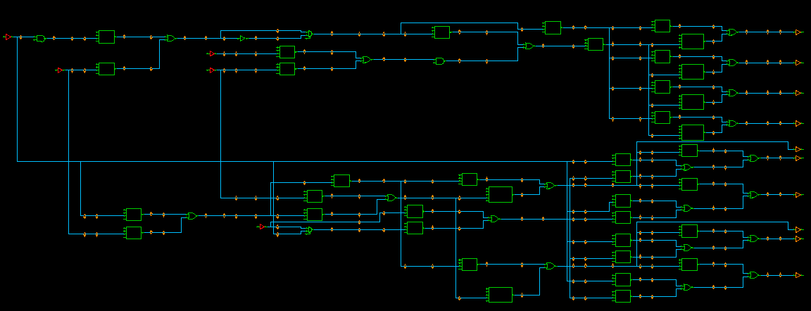
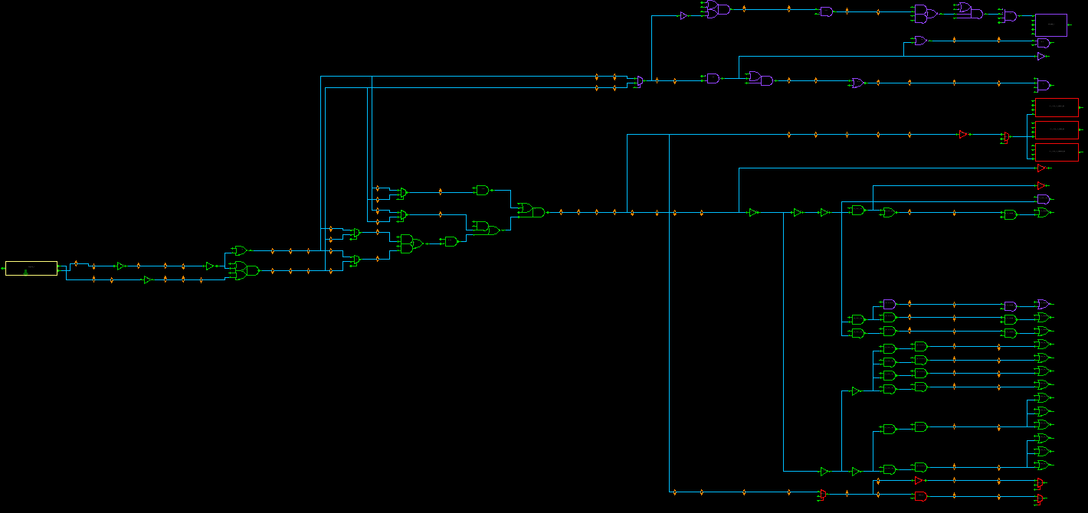
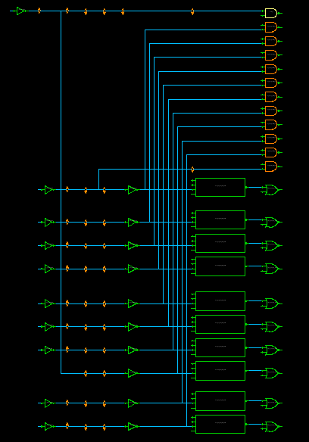

awo_vdd_PFC_TOP/awo_vdd_pcmj/inst_UHI2DPFCAWO0_PCMJ_TOP/inst_UHI2DPFCAWO0_PCMJ_PORT/inst_hwt_JP0_2_DEFAULT_STD1V1/hwtinst_stdctrl_uhi2dpfcawo0_pcmj/U9

iso_pfss/pfss/Debugif_Wrap/dbgifss/JCU/JCU_TCK_IVT_mmux_gate_2_mux2_0
iso_pfss/pfss/Debugif_Wrap/dbgifss/JCU/JCU_TCK_IVT_minv_gate_1_inv_0

(4)
(9)
sys_top/sysiso/atom_iso/CIF_INST/ULPSCAN_CIF_CL_TCK_INV00_SO
sys_top/sysiso/atom_iso/CIF_INST/ULPSCAN_CIF_iULPSCAN_CK_EDT_2TGN_GEN_EDT_CLK_BUF_SO
(2)
(3)
u_ECOB_BUF_CIF_ROOT
sys_top/sysiso/atom_iso/CIF_INST/cif_sel_CIFCLKSEL_SRT_SEL_CL_CK_TX_2TGN_I00_SO

IOAWO_TOP/awo_evcc_io/buff_JP0_2
awo_vdd_PFC_TOP/U3
(8)
(B1)
(B2)
(B3)
(C1)
(C2)
(C3)
(C4)
(6)
(7)
(5)
(1)
sys_top/sysiso/atom_iso/CIF_INST/ULPSCAN_CIF_TCM_2TGN_LPSHIFTAND_SO
sys_top/sysiso/atom_iso/MASTERTGN_INST/GT_TCM_CL_AOCD01_SO
sys_top/sysiso/atom_iso/MASTERTGN_INST/GT_TCM_CL_AOCD00_SO
awo_vdd_PFC_TOP/U20
(1) awo_vdd_PFC_TOP/awo_vdd_pcmj/inst_UHI2DPFCAWO0_PCMJ_TOP/inst_UHI2DPFCAWO0_PCMJ_PORT/inst_hwt_JP0_2_TS_RTAP_STDALT1V2/U4
(2) awo_vdd_PFC_TOP/awo_vdd_pcmj/inst_UHI2DPFCAWO0_PCMJ_TOP/inst_UHI2DPFCAWO0_PCMJ_PORT/inst_hwt_JP0_2_UBSCAN_STDALT1V2/U4
(3) awo_vdd_PFC_TOP/awo_vdd_pcmj/inst_UHI2DPFCAWO0_PCMJ_TOP/inst_UHI2DPFCAWO0_PCMJ_PORT/inst_hwt_JP0_2_LPD4P_STDALT1V2/U4
(4) awo_vdd_PFC_TOP/awo_vdd_pcmj/inst_UHI2DPFCAWO0_PCMJ_TOP/inst_UHI2DPFCAWO0_PCMJ_PORT/inst_hwt_JP0_2_NEXUS_STDALT1V2/U4
(5) awo_vdd_PFC_TOP/awo_vdd_pcmj/inst_UHI2DPFCAWO0_PCMJ_TOP/inst_UHI2DPFCAWO0_PCMJ_PORT/U175
(6) awo_vdd_PFC_TOP/awo_vdd_pcmj/inst_UHI2DPFCAWO0_PCMJ_TOP/inst_UHI2DPFCAWO0_PCMJ_PORT/U176
(7) awo_vdd_PFC_TOP/awo_vdd_pcmj/inst_UHI2DPFCAWO0_PCMJ_TOP/inst_UHI2DPFCAWO0_PCMJ_PORT/U177
(8) awo_vdd_PFC_TOP/awo_vdd_pcmj/inst_UHI2DPFCAWO0_PCMJ_TOP/inst_UHI2DPFCAWO0_PCMJ_PORT/U178
(9) awo_vdd_PFC_TOP/awo_vdd_pcmj/inst_UHI2DPFCAWO0_PCMJ_TOP/inst_UHI2PFCAWO0_PCMJ_PORT/U141
(C5)
(C6)
(C7)
(C10)
(C11)
(C8)
(C12)
(C9)
(C14)
(C15)
(C13)
(C17)
(C18)
(C16)
(C19)
(C20)
(C21)
(C24)
(B6)
(C22)
(C23)
(C27)
(C25)
(C26)
(C28)
(B1) sys_top/sysiso/atom_iso/CIF_INST/cif_sel_CIFCLKSEL_CL_QQQ7TCK_P_I00_SO
(B2) sys_top/sysiso/atom_iso/CIF_INST/cif_sel_CIFCLKSEL_CL_QQQ7TCK_N_I00_SO
(B3) sys_top/sysiso/atom_iso/CIF_INST/cif_sel_CIFCLKSEL_CL_QQQ7TCK_P_I01_SO
(C1) sys_top/sysiso/atom_iso/CIF_INST/cif_sel_CIFCLKSEL_EDT_SEL_CL_CK_TX_2TGN_I00_SO
(C2) sys_top/sysiso/atom_iso/CIF_INST/ULPSCAN_CIF_iULPSCAN_CK_EDT_2TGN_GEN_CK_EDT_2TGN_OR_SO
(C3) sys_top/sysiso/atom_iso/MASTERTGN_INST/GT_EDT_CL_AOCD01_SO
(C4) sys_top/sysiso/atom_iso/MASTERTGN_INST/GT_EDT_CL_AOCD00_SO
(C5) sys_top/sysiso/atom_iso/CIF_INST/cif_sel_CIFCLKSEL_TC_SEL_CL_CK_TX_2TGN_I00_SO
(C6) sys_top/sysiso/atom_iso/CIF_INST/ULPSCAN_CIF_TC_2TGN_LPSHIFTAND_SO
(C7) sys_top/sysiso/atom_iso/MASTERTGN_INST/GT_TC_CL_AOCD01_SO
(C8) sys_top/sysiso/atom_iso/MASTERTGN_INST/GT_TC_CL_AOCD00_SO
(C9) sys_top/sysiso/atom_iso/CIF_INST/cif_sel_CIFCLKSEL_TT_SEL_CL_CK_TX_2TGN_I00_SO
(C10) sys_top/sysiso/atom_iso/CIF_INST/ULPSCAN_CIF_TT_2TGN_LPSHIFTAND_SO
(C11) sys_top/sysiso/atom_iso/MASTERTGN_INST/GT_TT_CL_AOCD02_SO
(C12) sys_top/sysiso/atom_iso/MASTERTGN_INST/GT_TT_CL_AOCD00_SO
(B4) sys_top/sysiso/atom_iso/CIF_INST/cif_sel_CIFCLKSEL_CL_QQQ7TCK_N_I10_SO
(B5) sys_top/sysiso/atom_iso/CIF_INST/cif_sel_CIFCLKSEL_CL_QQQ7TCK_P_I12_SO
(B6) sys_top/sysiso/atom_iso/CIF_INST/cif_sel_CIFCLKSEL_CL_QQQ7TCK_P_I11_SO
(C13) sys_top/sysiso/atom_iso/CIF_INST/cif_sel_CIFCLKSEL_T0_SEL_CL_CK_TX_2TGN_I00_SO
(C14) sys_top/sysiso/atom_iso/CIF_INST/ULPSCAN_CIF_T0_2TGN_LPSHIFTAND_SO
(C15) sys_top/sysiso/atom_iso/mtgn1_inst/GCK_T0_0_GTX_CK_TX_SO
(C16) sys_top/sysiso/atom_iso/CIF_INST/cif_sel_CIFCLKSEL_T1_SEL_CL_CK_TX_2TGN_I00_SO
(C17) sys_top/sysiso/atom_iso/CIF_INST/ULPSCAN_CIF_T1_2TGN_LPSHIFTAND_SO
(C18) sys_top/sysiso/atom_iso/mtgn1_inst/GCK_T1_0_GTX_CK_TX_SO
(C19) sys_top/sysiso/atom_iso/CIF_INST/cif_sel_CIFCLKSEL_T2_SEL_CL_CK_TX_2TGN_I00_SO
(C20) sys_top/sysiso/atom_iso/CIF_INST/ULPSCAN_CIF_T2_2TGN_LPSHIFTAND_SO
(C21) sys_top/sysiso/atom_iso/mtgn1_inst/GCK_T2_0_GTX_CK_TX_SO
(C22) sys_top/sysiso/atom_iso/CIF_INST/cif_sel_CIFCLKSEL_T3_SEL_CL_CK_TX_2TGN_I00_SO
(C23) sys_top/sysiso/atom_iso/CIF_INST/ULPSCAN_CIF_T3_2TGN_LPSHIFTAND_SO
(C24) sys_top/sysiso/atom_iso/mtgn1_inst/GCK_T3_0_GTX_CK_TX_SO
(C25) sys_top/sysiso/atom_iso/CIF_INST/cif_sel_CIFCLKSEL_T4_SEL_CL_CK_TX_2TGN_I00_SO
(C26) sys_top/sysiso/atom_iso/CIF_INST/ULPSCAN_CIF_T4_2TGN_LPSHIFTAND_SO
(C27) sys_top/sysiso/atom_iso/mtgn1_inst/GCK_T4_0_GTX_CK_TX_SO
(C28) sys_top/sysiso/atom_iso/mtgn1_inst/GCK_T4_1_GTX_CK_TX_SO
(C29) sys_top/sysiso/atom_iso/mtgn1_inst/GCK_T4_2_GTX_CK_TX_SO
(C30) sys_top/sysiso/atom_iso/CIF_INST/cif_sel_CIFCLKSEL_T5_SEL_CL_CK_TX_2TGN_I00_SO
(C31) sys_top/sysiso/atom_iso/CIF_INST/ULPSCAN_CIF_T5_2TGN_LPSHIFTAND_SO
(C32) sys_top/sysiso/atom_iso/mtgn1_inst/GCK_T5_0_GTX_CK_TX_SO
(C33) sys_top/sysiso/atom_iso/mtgn1_inst/GCK_T5_1_GTX_CK_TX_SO
(C34) sys_top/sysiso/atom_iso/mtgn1_inst/GCK_T5_2_GTX_CK_TX_SO
(C29)
(C32)
(C33)
(B4)
(B5)
(C30)
(C31)
(C34)
sys_top/sysiso/cpgg_iso/lpdclk_sel0/mux2_0
sys_top/sysiso/cpgg_iso/dck_sel/mux2_0

sys_top/sysiso/cpgg_iso/lpdclk_sel1/mux2_0
(A1) sys_top/sysiso/cpgm_iso/cgm_clkc_l_OUT_PORT_BUF
(I1) sys_top/sysiso/atom_iso/mtgn1_inst/CL_CK_T5_0_BUFF_SO
(G1) sys_top/sysiso/atom_iso/mtgn1_inst/GCK_T5_0_GTX_GCK_GCKC
(O1) sys_top/sysiso/atom_iso/mtgn1_inst/GCK_T5_0_GTX_CK_TX_SO
(A2) sys_top/sysiso/cpgm_iso/cgm_clk_ch_OUT_PORT_BUF
(I2) sys_top/sysiso/atom_iso/mtgn1_inst/CL_CK_T0_0_BUFF_SO
(G2) sys_top/sysiso/atom_iso/mtgn1_inst/GCK_T0_0_GTX_GCK_GCKC
(O2) sys_top/sysiso/atom_iso/mtgn1_inst/GCK_T0_0_GTX_CK_TX_SO
(A3) sys_top/sysiso/cpgm_iso/cgm_clk_cl_OUT_PORT_BUF
(I3) sys_top/sysiso/atom_iso/mtgn1_inst/CL_CK_T1_0_BUFF_SO
(G3) sys_top/sysiso/atom_iso/mtgn1_inst/GCK_T1_0_GTX_GCK_GCKC
(O3) sys_top/sysiso/atom_iso/mtgn1_inst/GCK_T1_0_GTX_CK_TX_SO
(A4) sys_top/sysiso/cpgm_iso/cgm_clk_h_OUT_PORT_BUF
(I4) sys_top/sysiso/atom_iso/mtgn1_inst/CL_CK_T2_0_BUFF_SO
(G4) sys_top/sysiso/atom_iso/mtgn1_inst/GCK_T2_0_GTX_GCK_GCKC
(O4) sys_top/sysiso/atom_iso/mtgn1_inst/GCK_T2_0_GTX_CK_TX_SO
(A5) sys_top/sysiso/cpgm_iso/cgm_clk_l_OUT_PORT_BUF
(I5) sys_top/sysiso/atom_iso/mtgn1_inst/CL_CK_T3_0_BUFF_SO
(G5) sys_top/sysiso/atom_iso/mtgn1_inst/GCK_T3_0_GTX_GCK_GCKC
(O5) sys_top/sysiso/atom_iso/mtgn1_inst/GCK_T3_0_GTX_CK_TX_SO
(A6) sys_top/sysiso/cpgm_iso/cgm_clkc_h_OUT_PORT_BUF
(I6) sys_top/sysiso/atom_iso/mtgn1_inst/CL_CK_T4_0_BUFF_SO
(G6) sys_top/sysiso/atom_iso/mtgn1_inst/GCK_T4_0_GTX_GCK_GCKC
(O6) sys_top/sysiso/atom_iso/mtgn1_inst/GCK_T4_0_GTX_CK_TX_SO
(A7) sys_top/sysiso/cpgm_iso/cgm_clkc_h_csi_OUT_PORT_BUF
(I7) sys_top/sysiso/atom_iso/mtgn1_inst/CL_CK_T4_1_BUFF_SO
(G7) sys_top/sysiso/atom_iso/mtgn1_inst/GCK_T4_1_GTX_GCK_GCKC
(O7) sys_top/sysiso/atom_iso/mtgn1_inst/GCK_T4_1_GTX_CK_TX_SO
(A8) sys_top/sysiso/cpgm_iso/cgm_clkc_h_can_OUT_PORT_BUF
(I8) sys_top/sysiso/atom_iso/mtgn1_inst/CL_CK_T4_2_BUFF_SO
(G8) sys_top/sysiso/atom_iso/mtgn1_inst/GCK_T4_2_GTX_GCK_GCKC
(O8) sys_top/sysiso/atom_iso/mtgn1_inst/GCK_T4_2_GTX_CK_TX_SO
(A9) sys_top/sysiso/cpgm_iso/cgm_clkc_l_rlin_OUT_PORT_BUF
(I9) sys_top/sysiso/atom_iso/mtgn1_inst/CL_CK_T5_1_BUFF_SO
(G9) sys_top/sysiso/atom_iso/mtgn1_inst/GCK_T5_1_GTX_GCK_GCKC
(O9) sys_top/sysiso/atom_iso/mtgn1_inst/GCK_T5_1_GTX_CK_TX_SO
(A10) sys_top/sysiso/cpgm_iso/cgm_clkc_l_adca_OUT_PORT_BUF
(I10) sys_top/sysiso/atom_iso/mtgn1_inst/CL_CK_T5_2_BUFF_SO
(G10) sys_top/sysiso/atom_iso/mtgn1_inst/GCK_T5_2_GTX_GCK_GCKC
(O10)sys_top/sysiso/atom_iso/mtgn1_inst/GCK_T5_2_GTX_CK_TX_SO
(A1)
sys_top/sysiso/atom_iso/mtgn1_inst/CL_CK_T3_0_AND2_SO
sys_top/sysiso/atom_iso/mtgn1_inst/CL_CK_T5_1_AND2_SO
sys_top/sysiso/atom_iso/mtgn1_inst/CL_PLLTGN_AND2_SO
sys_top/sysiso/atom_iso/mtgn1_inst/CL_CK_T4_0_AND2_SO
sys_top/sysiso/atom_iso/mtgn1_inst/CL_CK_T5_2_AND2_SO
sys_top/sysiso/atom_iso/mtgn1_inst/CL_CK_T0_0_AND2_SO
sys_top/sysiso/atom_iso/mtgn1_inst/CL_CK_T4_1_AND2_SO
sys_top/sysawo/lvs_awo/isoawo/cgm_clkc_and_dnt/and2_0
sys_top/sysiso/atom_iso/mtgn1_inst/CL_CK_T1_0_AND2_SO
sys_top/sysiso/atom_iso/mtgn1_inst/CL_CK_T4_2_AND2_SO
sys_top/sysiso/atom_iso/mtgn1_inst/CL_CK_T2_0_AND2_SO
sys_top/sysiso/atom_iso/mtgn1_inst/CL_CK_T5_0_AND2_SO

(A2)
(I2)
(O2)
(G2)
(A3)
(I3)
(O3)
(G3)
(A4)
(I4)
(O4)
(I5)
(G4)
(O5)
(A5)
(G5)

(A6)
(I6)
(G6)
(O6)
(A7)
(I7)
(O7)
(G7)
(A8)
(I8)
(G8)
(O8)
(I1)
(G1)
(O1)
(A9)
(I9)
(O9)
(G9)
(A10)
(I10)
(G10)
(O10)

Addition clock from OSC -> ATOM, through CPGM

1

2
3
4
5
6
(1) sys_top/sysiso/cpgm_iso/cgm_clk_ch
(2) sys_top/sysiso/cpgm_iso/cgm_clk_cl
(3) sys_top/sysiso/cpgm_iso/cgm_clk_h
(4) sys_top/sysiso/cpgm_iso/cgm_clk_l
(5) sys_top/sysiso/atom_iso/cgm_clkc_h
(6) sys_top/sysiso/atom_iso/cgm_clkc_h_csi
(7) sys_top/sysiso/atom_iso/cgm_clkc_h_can
(8) sys_top/sysiso/atom_iso/cgm_clkc_l
(9) sys_top/sysiso/atom_iso/cgm_clkc_l_rlin
(10) sys_top/sysiso/atom_iso/cgm_clkc_l_adca
7
8
9
10

cpgm_iso_S4
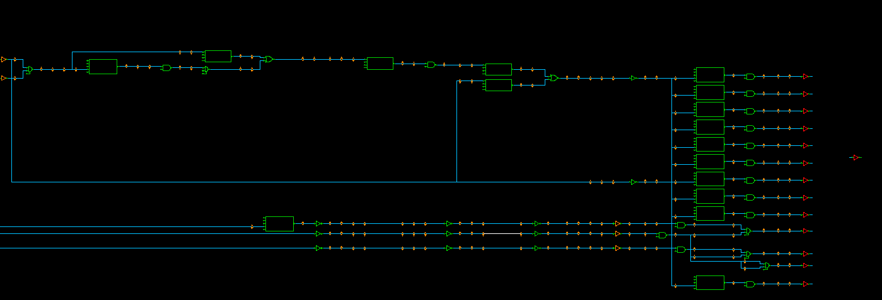
emg_IN
pll_clkouta_IN
PLL
hsosc
lsosc
mosc
postck

clk_c
cggtop
CGM
atom
mtgn0_inst/cl_ck_t1_1_o_SO
mtgn0_inst/t1_1_ckgt_gtx_gck_GCKC
mtgn0_inst/t1_1_ckgt_gtx_ck_tx_SO
gck0a_0/gck
Cluster clk_cpu/clk_cpu_c/PEx_sys_mclk & FLI & syctop0

clk_c
gck0a_5/gck
Cluster only/ clk_ta

gck0a_6/gck
FLI only
mtgn0_inst/cl_ck_t1_0_o_SO
mtgn0_inst/t1_0_ckgt_gtx_gck_GCKC
mtgn0_inst/t1_0_ckgt_gtx_ck_tx_SO
gck0a_3/gck
FLOAT

gck0b_2/gck
mtgn0_inst/t1_2_ckgt_gtx_gck_GCKC
mtgn0_inst/t1_2_ckgt_gtx_ck_tx_SO
FLOAT
mtgn0_inst/cl_ck_t1_2_o_SO

systop/SYSCTL/sysvdd/sylvstop/lvs_vdd2awo/lsth_vdd2awo/ls_clkawo_m/and2_0

AWO

gck0a_0
control place near atom

asyncsel/ff0_1_reg
asyncsel/ff0_1_pre_reg
asyncsel/ff0_2_reg
asyncsel/ck0en_dly_reg

Move close cluster to improve OCV

gck0a_0/gck

control place close between two FLI block
gck3_4/gck
asyncsel/gck0/gck

asyncsel/gck1/gck

Do not place too close, it will cause:
- small latency gck0a_0 -> asyncsel/gck0
- big latency from gck0a_0->asyncsel/ff0_2_reg
==> SETUP timing will become hard to fix
(recommend, place gck0a_0 center between asyncsel/ff0_2_reg and asyncsel/gck0)

clk_l
cggtop
CGM
atom
pfsstop/PFSS_gl/ecrxxx_LPDCLK/mux2_0
mtgn0_inst/cl_ck_t6_0_o_SO
mtgn0_inst/t6_0_ckgt_gtx_gck_GCKC
mtgn0_inst/t6_0_ckgt_gtx_ck_tx_SO
gck3_0/gck
TCK root

clk_l
gck3_4/gck
FLI

gck3_5/gck
mtgn0_inst/t6_2_ckgt_gtx_gck_GCKC
mtgn0_inst/cl_ck_t6_2_o_SO
mtgn0_inst/t6_2_ckgt_gtx_ck_tx_SO
gck3_7/gck
cggtop/REG

gck3_8/gck
mtgn0_inst/t6_1_ckgt_gtx_gck_GCKC

mtgn0_inst/cl_ck_t6_1_o_SO
mtgn0_inst/t6_1_ckgt_gtx_ck_tx_SO
gck3_9/gck

gck3_10/gck

systop/SYSCTL/sysvdd/sylvstop/lvs_vdd2awo/lsth_vdd2awo/ls_clkawo_l/and2_0
AWO_31

AWO
systop/lvlshift/lvlshif_d2a/lvlshift_d2a_ls/ls_pwmd/and2_0

AWO

clk_l_sys
cggtop
syctop0
CGM
atom
mtgn0_inst/cl_ck_t7_0_o_SO
mtgn0_inst/t7_0_ckgt_gtx_gck_GCKC
mtgn0_inst/t7_0_ckgt_gtx_ck_tx_SO
gck4_0/buf_0

clk_l_sys

systop/SYSCTL/sysvdd/sylvstop/lvs_vdd2awo/lsth_vdd2awo/ls_clk_l_sys/and2_0

AWO

systop/SYSCTL/sysvdd/sylvstop/lvs_vdd2awo/lsth_vdd2awo/ls_clk_l_sys_rct/and2_0
AWO

clk_h
cggtop
CGM
atom
mtgn0_inst/cl_ck_t5_0_o_SO
mtgn0_inst/t5_0_ckgt_gtx_gck_GCKC
mtgn0_inst/t5_0_ckgt_gtx_ck_tx_SO
gck2a_[0-25]/gck

clk_h
systop/SYSCTL/sysvdd/syctop0/sync_h_l

gck2a_0/gck

mtgn0_inst/t5_1_ckgt_gtx_gck_GCKC
mtgn0_inst/cl_ck_t5_1_o_SO
mtgn0_inst/t5_1_ckgt_gtx_ck_tx_SO
gck2a_7/gck

REGs *mosc*

gck2a_8/gck

mtgn0_inst/t5_2_ckgt_gtx_gck_GCKC
mtgn0_inst/cl_ck_t5_2_o_SO
mtgn0_inst/t5_2_ckgt_gtx_ck_tx_SO
gck2a_14/gck

REGs *mspi*

stgn3_inst/cl_ck_tx_0_o_SO
stgn3_inst/t0_ckgt_gtx_gck_GCKC
stgn3_inst/t0_ckgt_gtx_ck_tx_SO

systop/SYSCTL/sysvdd/sylvstop/lvs_vdd2awo/lsth_vdd2awo/ls_clkaawo_hsb/and2_0
AWO_29

AWO

systop/lvlshift/lvlshif_d2a/lvlshift_d2a_ls/ls_rlin3/and2_0

AWO

systop/lvlshift/lvlshif_d2a/lvlshift_d2a_ls/ls_rscan/and2_0

AWO

systop/lvlshift/lvlshif_d2a/lvlshift_d2a_ls/ls_taud/and2_0

AWO

clk_uhsb
cggtop
CGM
atom
mtgn0_inst/cl_ck_t4_0_o_SO
mtgn0_inst/t4_0_ckgt_gtx_gck_GCKC
mtgn0_inst/t4_0_ckgt_gtx_ck_tx_SO
gck5_[0-4]/gck
systop/SYSCTL/sysvdd/syctop0/sync_k_h

clk_uhsb
gck5_0/gck

clk_hbus
cggtop
CGM
atom
mtgn0_inst/cl_ck_t3_0_o_SO
mtgn0_inst/t3_0_ckgt_gtx_gck_GCKC
mtgn0_inst/t3_0_ckgt_gtx_ck_tx_SO
gck1b_[0-8]/gck

clk_hbus

gck1b_3/gck

Cluster PCLK

clk_sbus
cggtop
CGM
atom
mtgn0_inst/cl_ck_t2_0_o_SO
mtgn0_inst/t2_0_ckgt_gtx_gck_GCKC
mtgn0_inst/t2_0_ckgt_gtx_ck_tx_SO

clk_sbus
gck1a_0/gck

CRAM

systop/SYSCTL/sysvdd/syctop0/sync_d_e

clk_div2_sys
cggtop
cgltop
CGM
atom
mtgn0_inst/cl_ck_t0_0_o_SO
mtgn0_inst/t0_0_ckgt_gtx_gck_GCKC
mtgn0_inst/t0_0_ckgt_gtx_ck_tx_SO
gck_div2_sys/gck
cgltop/cgl_stbyckstp/cgl_ckstp

clk_div2_sys

clka_+++
cggtop
CGM
atom
stgn1_inst/cl_ck_tx_0_o_SO
stgn1_inst/t0_ckgt_gtx_gck_GCKC
stgn1_inst/t0_ckgt_gtx_ck_tx_SO

clka_hsosc

stgn2_inst/t0_ckgt_gtx_gck_GCKC
stgn2_inst/t0_ckgt_gtx_ck_tx_SO
stgn2_inst/cl_ck_tx_0_o_SO

clka_lsosc

stgn0_inst/t0_ckgt_gtx_gck_GCKC
stgn0_inst/t0_ckgt_gtx_ck_tx_SO
stgn0_inst/cl_ck_tx_0_o_SO
DIV REG

clka_mosc

stgn0_inst/cl_ck_tx_1_o_SO
stgn0_inst/t1_ckgt_gtx_gck_GCKC
stgn0_inst/t1_ckgt_gtx_ck_tx_SO

stgn4_inst/t0_ckgt_gtx_gck_GCKC
stgn4_inst/t0_ckgt_gtx_ck_tx_SO
gckj_0/gck
stgn4_inst/cl_ck_tx_0_o_SO
C[012]RAM
clka_ram_mbist

stgn4_inst/cl_ck_tx_1_o_SO
stgn4_inst/t1_ckgt_gtx_gck_GCKC
stgn4_inst/t1_ckgt_gtx_ck_tx_SO
gckj_2/gck

C3RAM

systop/SYSCTL/sysvdd/sylvstop/lvs_vdd2awo/lsth_vdd2awo/ls_clkaawo_ram_mbist/and2_0

AWO

clks_+++
CGM
cggtop
gckg_0/gck

clk_hsosc

Exceptional
systop/SYSCTL/sysawo/cgmtop_awo
cggtop_awo

LOCO
systop/SYSCTL/sysawo/lcotop/lco_wrpr0/loco_out_sel0/mux2_0
u_lco_locoin_IN_PORT_BUF
sel_hsosc_rf/mux2_0
*/oscout_div50_reg

systop/SYSCTL/sysawo/mscctl/msc_wrap/msc_mux/msc_mux1/mux2_0
HOCO
u_hco_hocoin_IN_PORT_BUF
sel_hsosc_ts/mux2_0
systop/SYSCTL/sysawo/hcotop/hco_wrpr/gck_hco/gck

*/gck_msc/gck
sel_mosc_rf/mux2_0
MOSC
systop/SYSCTL/sysawo/mscctl/msc_wrap/msc_stopmask_ctrl/msc_mux2/mux2_0
u_msc_moscin_IN_PORT_BUF

awo1_pfctop/pfc_glue/clmux20_tck/mux2_0
TCK
atom
stpsel_hsosc_10m/sel10/mux2_0
cggtop
cdiv20_hsosc/CLKOUT_reg_reg
systop/SYSCTL/sysvdd/sylvstop/lvs_awo2vdd/lsth_awo2vdd/ls_clks_wdt_clma1/and2_0
u_cgm_clka_hsosc_10m_awo_OUT_PORT_BUF
gck_clma1_awo/gck
ISO
stgn5_inst/cl_ck_tx_0_o_SO
stgn5_inst/t0_ckgt_gtx_gck_GCKC
gckc_1/gck
stgn5_inst/t0_ckgt_gtx_ck_tx_SO

systop/lvlshift/lvlshif_d2a/lvlshift_d2a_ls/ls_wdt/and2_0

AWO

